1-1 Trainer Tracker Guide
 | Trainee 1-1 Tracker

This is your Trainee 1-1 tracker. You will using this on a weekly basis to help support your training here at Sparta Global. Please make sure you are ready and prepared for your weekly 1-1 with your trainer. Here will set out what you will need to do to get ready for that session. |  | Tasks for 1-1 Meeting

 |  | 1) Complete your Stop, Start, Continue feedback for your week in training before your 1-1 session. Please reflect on where you need to improve. Be honest and reflect on your opportunities to grow and improve.

Feedback is a intergruel part of your consultancy journey. We all have things that we need to work on and improve. This will be with you for the rest of your careers. We are going to start you on that journey of feedback during your training.

 |  | 2) Mark your predicted Grade for both Consultant and Tehnical grades, this is a visual to again track your progress.

It has been found that if you track your performance over time you are more likely to achieve your goals. In this tracker we will asking you to record your personal feedback on a weekly basis. This will comprise of the things you need to Stop, Start and Continue doing to drive towards graduating the training programme here are Sparta Global. This should be cover both Technical and Consultant areas. |  | 3) Have these both these section ready for your trainer in the 1-1 session. These tasks have been designed to promote the right conversation about your performance and how to improve.



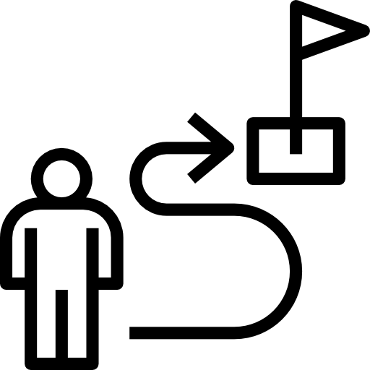
Your feedback will be combined with your trainers feedback. You will receive three grades for the week. Your consultant grade, your techincal grade and an overall grade. These are generated from your weekly assessment, coding or projects and the assessment your trainer is making on your consultant skills througout the week. We are look for a grade of C or better to ensure you meet the required level to become a Spartan consultant.

Consultant Focus
Technical Progress
Consultant Journey
If your grade does go below at C then your will be put on a Peroformance and Support plan where we will work with you to improve and set out a plan to do this. Please be aware your position at the Academy will be reviewed if this happens twice duirng your training at any point.

Consultant Skills
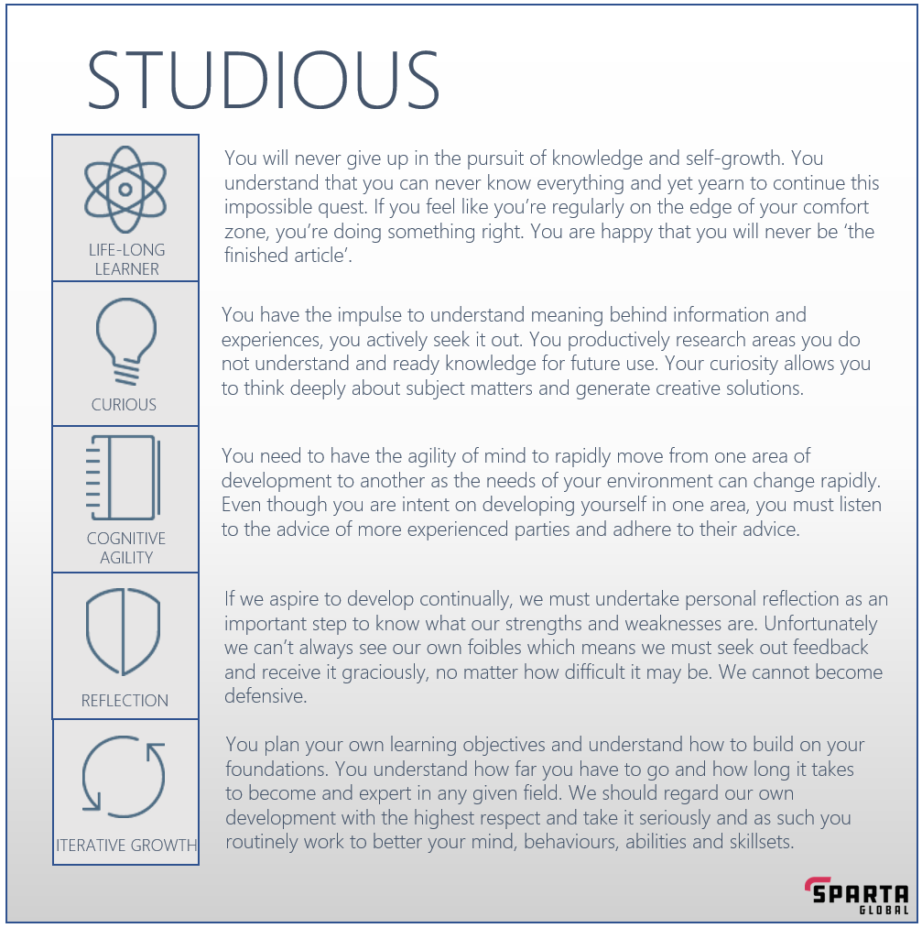
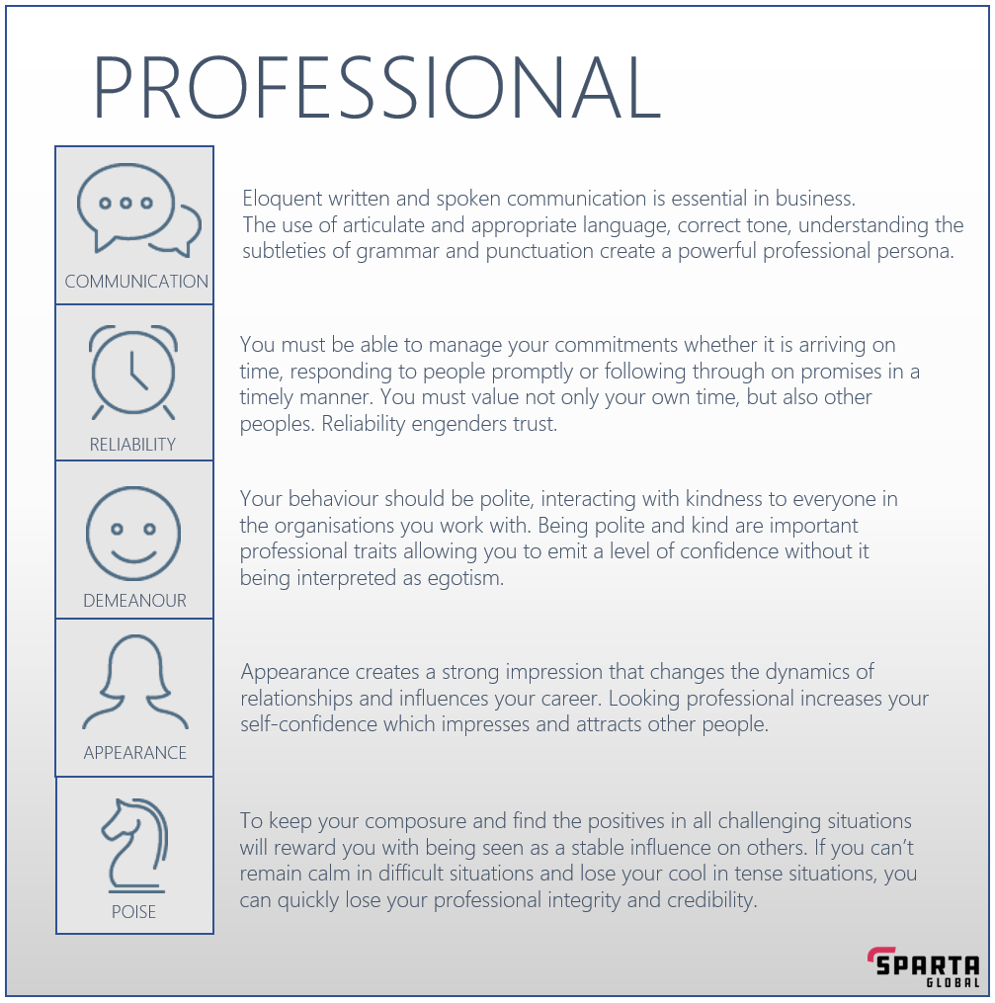
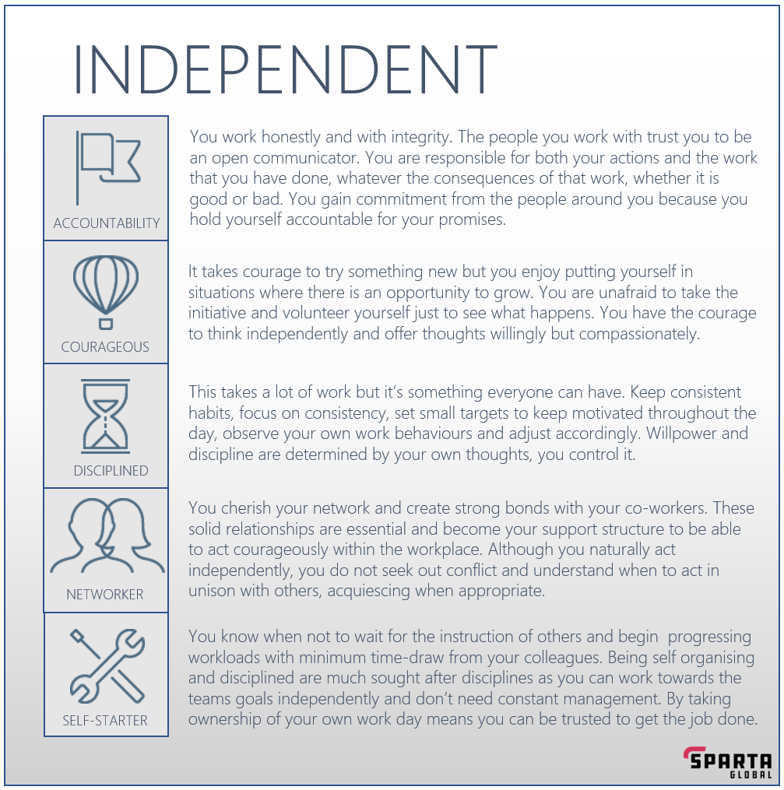
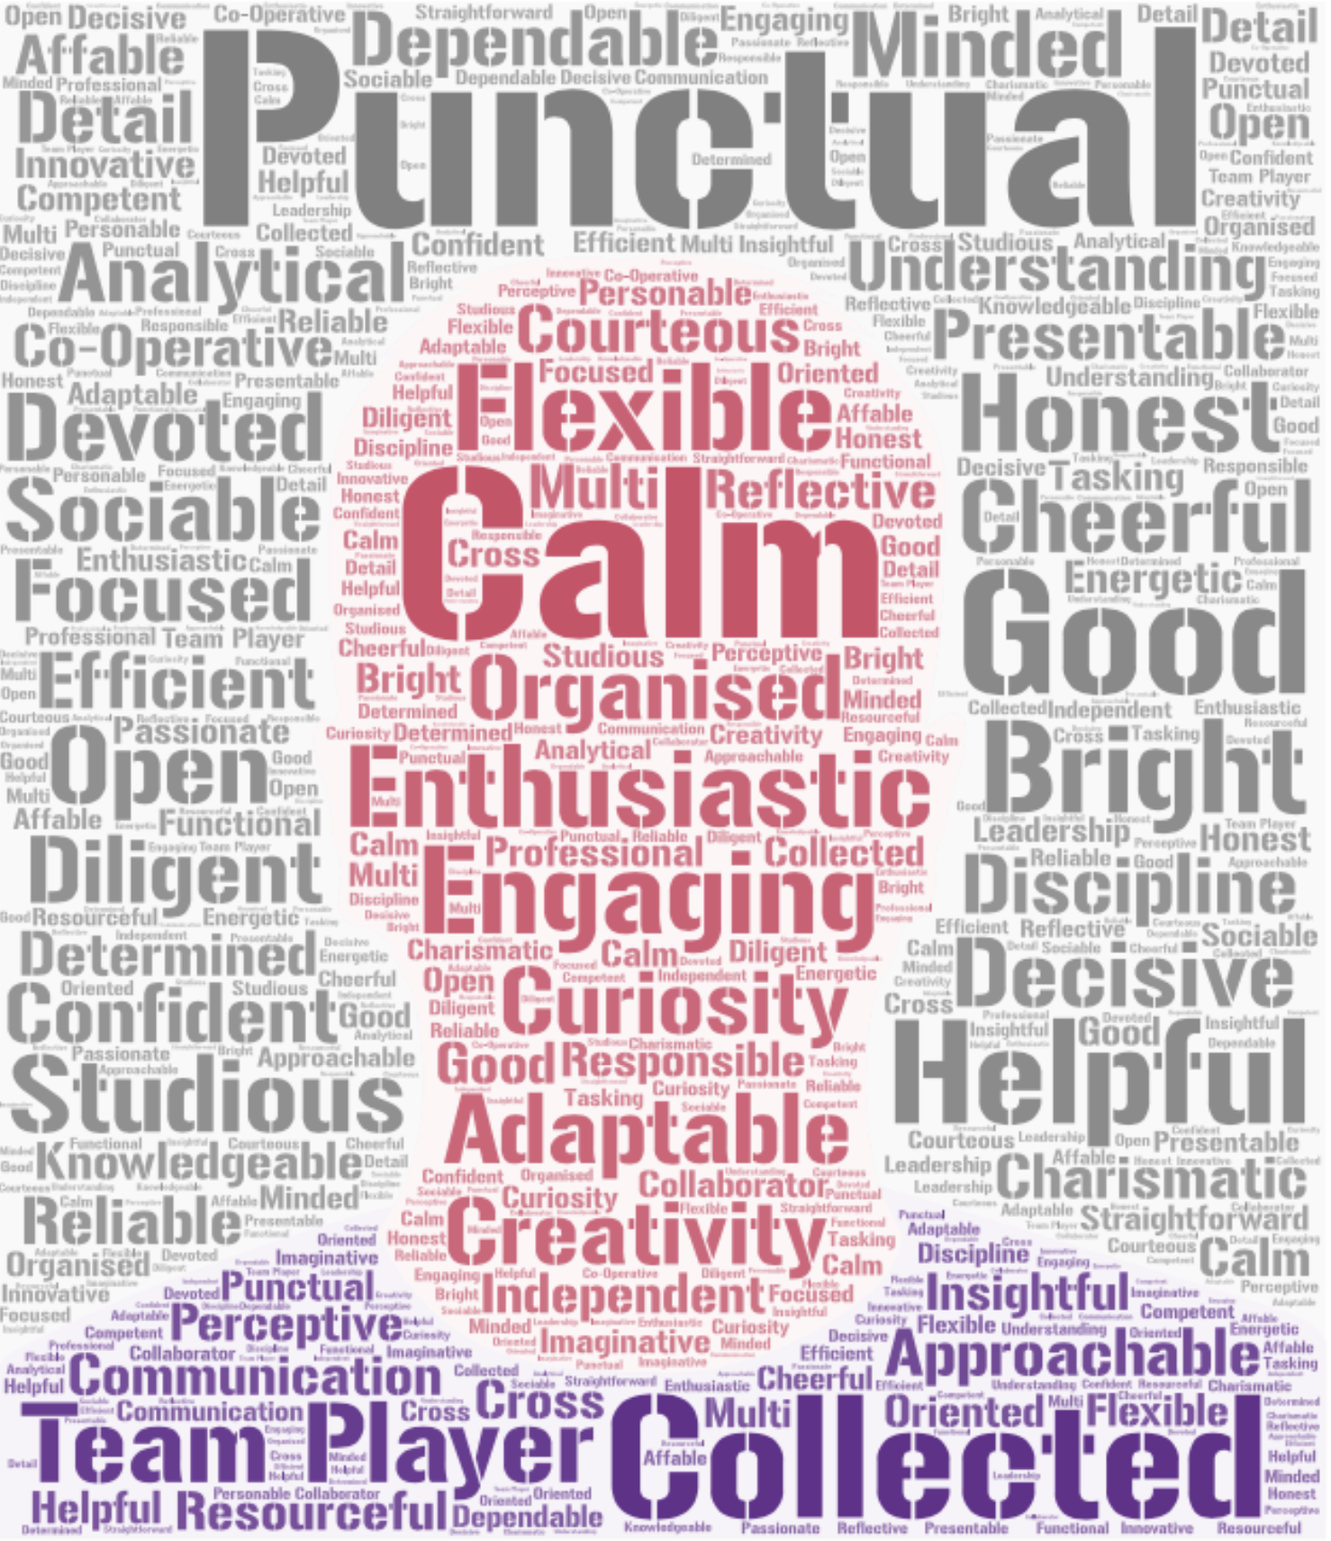
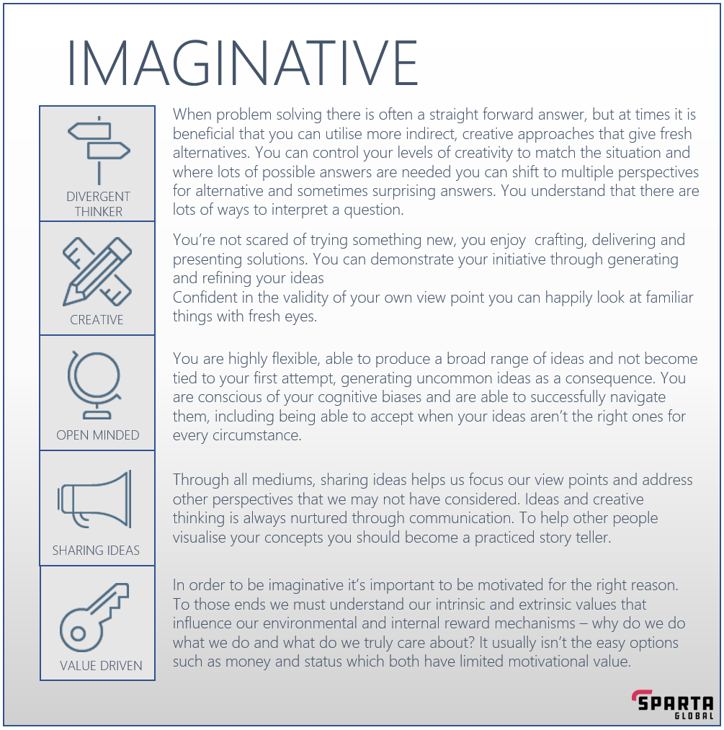
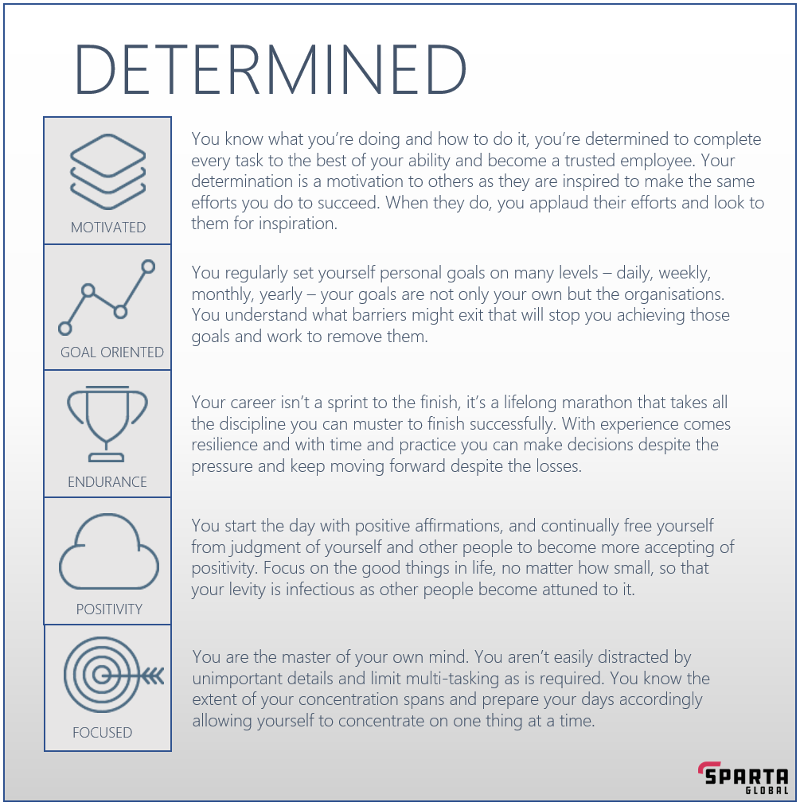
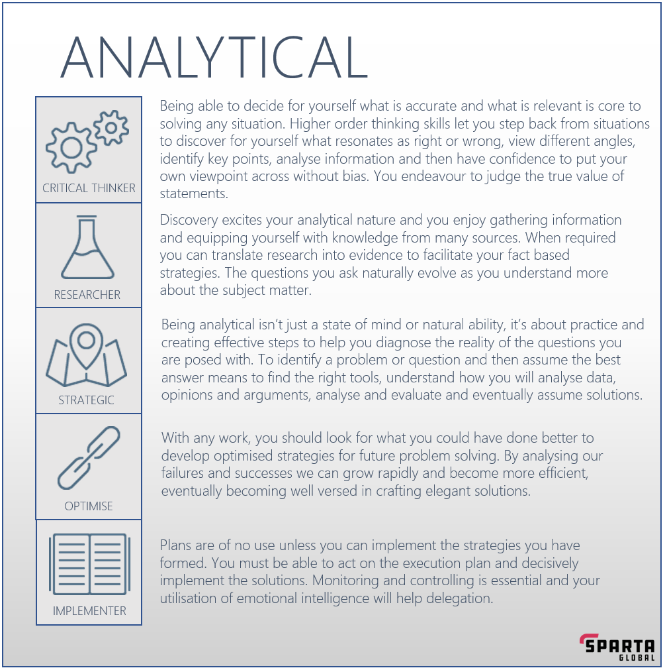
Consultant Skills

Template

 |  |  |  |  |  |  |  | Technical Skills | Consultant Skills
 |  |  |  | Trainer Use Only
 |  |  |  | Technical Grade | Consultant Grade | Overall Grade
 |  |  |  |  |  |  | Skilled |  |  | A
 |  | Trainee 1-1 Tracker

 | Trainee Feedback |  | Trainer Feedback
Stop | Going to bed late- when it gets to around 3/4 I start feeling tired |  |  |  |  |  | Partially Skilled | x | x | B

Start | Doing more interview prep and practicing, so I don't feel nervous and also begin doing the revision excel spreadsheet |  |  |  |  |  | Low Skilled |  | x | C

Continue | Revising and going over content |  |  |  |  |  | Unskilled |  |  | D

Trainer Comments |  |  |  |  |  |  | Add your predicted grade in here - reflect honestly on how your are performing on a TECHNICAL and CONSULTANT level. Constant tracking of performance will help you improve over time.

